Spesies Mangrove Sofifi
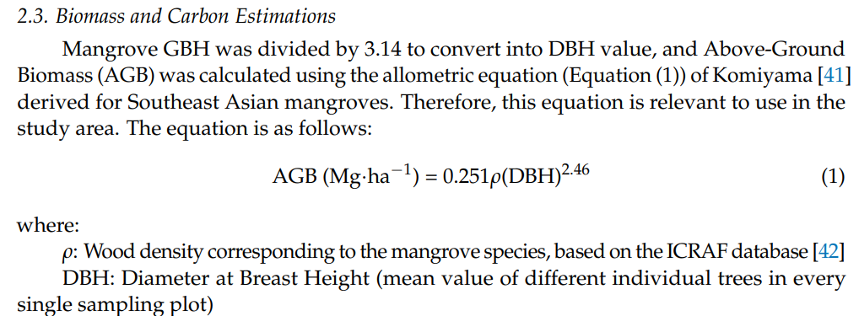
No | Spesies | Famili | Nama Lokal | Wood Density (rho) | Inventarisasi Foto Mangrove Per Plot
1 | Rhizopora mucronata Lmk. | Rhizophoraceae | Soki-Soki | 0.8483 | Hutan Mangrove Guraping, Sofifi
2 | Rhizopora apiculata BI. | Rhizophoraceae | Soki-Soki | 0.8814
3 | Bruguiera gymnorrhiza Lamk | Rhizophoraceae | Dau | 0.8683 | Plot | Spesies Dominan Berdasarkan Foto
4 | Xylocarpus granatum Koen | Meliaceae | Kira-Kira | 0.6721 | 1
5 | Sonneratia alba J.E.Smith | Sonneratiaceae | Posi-Posi | 0.6443 | 2
6 | Aegiceras floridum Rhoem & Schult | Myrsinaceae | Bido-Bido |  | 3
7 | Ceriops decandra (Friff.) D. Hou | Rhizophoraceae | Ting |  | 4
8 | Avicenna alba BI. | Avicenniaceae | - |  | 5
9 | Acanthus ilicifolius | Acanthaceae | - |  | 6
10 | Acrostichum aureum Linn. | Pteridaceae | Torota |  | 7
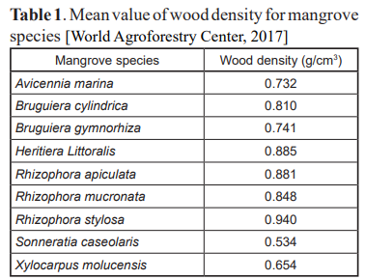
 |  |  |  |  | 8
 |  |  |  |  | 9
 | Perlu di Recheck kembali Wood Density nya, khususnya ke Mikoyama 2005 atau Kauffman & Donato 2012 |  |  |  | 10
 |  |  |  |  | 11
 |  |  |  |  | 12
 |  |  |  |  | 13
No | Spesies | Wood Density (rho) |  |  | 14
1 | Rhizopora apiculata | 0.8814 |  |  | 16
2 | Rhizopora mucronata | 0.8483 |  |  | 17
3 | Bruguiera gymnorrhiza | 0.8683 |  |  | 18
4 | Xylocarpus granatum | 0.6721 |  |  | 19
5 | Sonneratia alba | 0.6443 |  |  | 20
 |  |  |  |  | 21
 |  |  |  |  | 22
 |  |  |  |  | 23
 |  |  |  |  | 24
 |  |  |  |  | 25
 |  |  |  |  | 26
 |  |  |  |  | 27
 |  |  |  |  | 28 |  | Species | Family | Local Name
 |  |  |  |  | 29 |  | Rhizopora mucronata Lmk. | Rhizophoraceae | Soki-Soki
 |  |  |  |  | 30 |  | Rhizopora apiculata BI. | Rhizophoraceae | Soki-Soki
 |  |  |  |  |  |  | Bruguiera gymnorrhiza Lamk | Rhizophoraceae | Dau
 |  |  |  |  |  |  | Xylocarpus granatum Koen | Meliaceae | Kira-Kira
 |  |  |  |  |  |  | Sonneratia alba J.E.Smith | Sonneratiaceae | Posi-Posi
 |  |  |  |  |  |  | Aegiceras floridum Rhoem & Schult | Myrsinaceae | Bido-Bido
 |  |  |  |  |  |  | Ceriops decandra (Friff.) D. Hou | Rhizophoraceae | Ting
 |  |  |  |  |  |  | Avicenna alba BI. | Avicenniaceae | -
 |  |  |  |  |  |  | Acanthus ilicifolius | Acanthaceae | -
 |  |  |  |  |  |  | Acrostichum aureum Linn. | Pteridaceae | Torota

